Source
SETTY-5.3 Estimator ®
SOURCE
1 | Miller SL, Nazaroff WW, Jimenez JL, Boerstra A, Buonanno G, Dancer SJ, Kurnitski J, Marr LC, Morawska L, Noakes C. Transmission of SARS-CoV-2 by inhalation of respiratory aerosol in the Skagit Valley Chorale superspreading event. doi:10.1101/2020.06.15.20132027. PPR:PPR176651.

2 | van Doremalen N, Bushmaker T, Morris DH, et al. Aerosol and Surface Stability of SARS-CoV-2 as Compared with SARS-CoV-1. N Engl J Med. 2020;382(16):1564-1567. doi:10.1056/NEJMc2004973

3 | Fears AC, Klimstra WB, Duprex P, et al. Comparative dynamic aerosol efficiencies of three emergent coronaviruses and the unusual persistence of SARS-CoV-2 in aerosol suspensions.

4 | Diapouli E, Chaloulakou A, Koutrakis P. Estimating the concentration of indoor particles of outdoor origin: A review. Journal of the Air & Waste Management Association. 2013;63:1113–1129.

5 | Thatcher TL, Lai ACK, Moreno-Jackson R, Sextro RG, Nazaroff WW. Effects of room furnishings and air speed on particle deposition rates indoors. Atmospheric Environment. 2002;36:1811–1819.
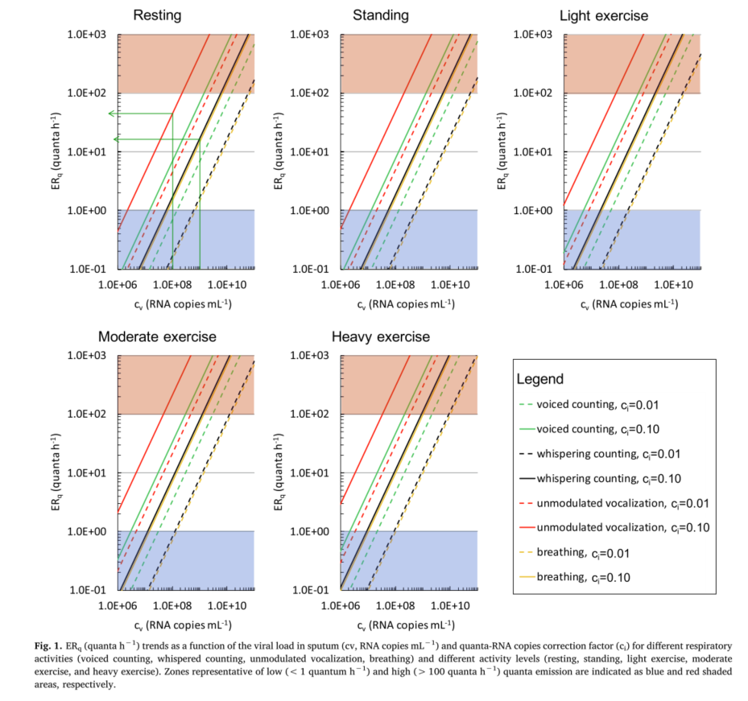 6 | Buonanno G, Stabile L, Morawska L. Estimation of airborne viral emission: Quanta emission rate of SARS-CoV-2 for infection risk assessment. Environ Int. 2020;141:105794. doi:10.1016/j.envint.2020.105794

7 | Buonanno, Giorgio & Morawska, Lidia & Stabile, Luca. (2020). Quantitative assessment of the risk of airborne transmission of SARS-CoV-2 infection: prospective and retrospective applications. 10.1101/2020.06.01.20118984.

8 | Gammaitoni, L. and Nucci, M.C. (1997a) Using a mathematical model to evaluate the efficacy of TB control measures, Emerg. Infect. Dis., 3, 335–342

9 | ASHRAE. ANSI/ASHRAE Standard 62.1-2016 Ventilation for Acceptable Indoor Air Quality.

10 | 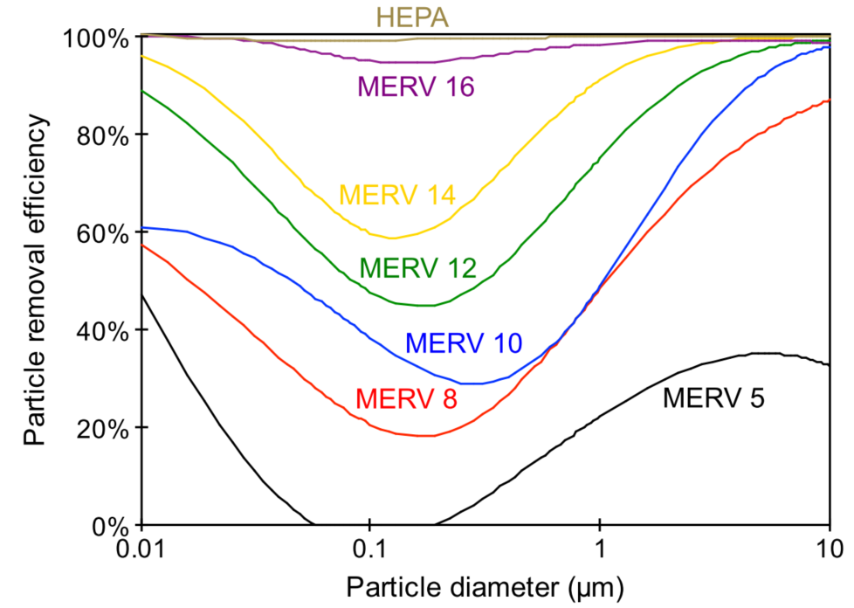 Hecker, R., Hofacre, K.C., 2008. Development of Performance Data for Common Building Air Cleaning Devices (Final Report No. EPA/600/R-08/013). U.S. Environmental Protection Agency, Office of Research and Development/National Homeland Security Centre Research Triangle Park, NC. Research Virions (or "particles") of corona viruses are spherical particles between 0.06 micron and 0.14 micron in diameter, averaging about 0.125 micron, measured by electron microscope (Zhu et al, 2020).

11 | IES Committee Report CR-2-20-V1, IES Photobiology Committee

12 | Contact tracing during Phase I of the COVID-19 pandemic in the Province of Trento, Italy: key ﬁndings and recommendations Pirous Fateh-Moghadam (1), Laura Bas (1), Silvia Molinaro (2), Steno Fontanari (3), Gabriele Dallago (3), Nancy Binkin (4), Mariagrazia Zuccali (2)

13 | COVID-19 in schools and early childhood education and care services – the Term 2 experience in NSW Prepared by the National Centre for Immunisation Research and Surveillance (NCIRS) 7/31/2020

14 | Identification of SAR-Cov-2 RNA in healthcare heating, Ventilation, and Air Conditioning Systems Patrick F. Horve1,*, Leslie Dietz1, Mark Fretz2, David A. Constant3, Andrew Wilkes4, John M. Townes5, Robert G. Martindale6, William B. Messer3, Kevin G. Van Den Wymelenberg1,2,*

15 | Contact tracing during coronavirus Disease Outbreak, South Korea, 2020 volume 26

16 | Controlling CDI, environmental services by Minnesota Hospital Association

17 | ASHRAE one hour UVGI course by William P Bahnfleth 04-21-2020

18 | The environmental control of epidemic contagion an epidemiologic study of radiant disinfection of air in day schools by W.F. Wells, M.W. Wells & T.S Wilder

19 | health.ny.gov/professionals/ems/pdf/assmttools.pdf

20 | ASHRAE.ORG

21 | ASHRAE STANDARD 170, VENTILATION OF HEALTHCARE FACILTIES

22 | OSSE Guidance Health and Safety Guidance for Schools 07.06.20

23 | 08-NIOSH-2003-136

24 | Minimum Classroom Size and Number of Students Per Classroom: C. Kenneth Tanner The University of Georgia School Design and Planning Laboratory April, 2000

25 | Portable cleaner refered model: https://www.blueair.com/us/air-purifiers/classic-205/1598.html

